Sheet1
Item | Customer-Facing Name |  |  |  | Style Number | Department | Ticket Rtl | AUC | Reg GM% | Target GM% | Target AUR
LS 2Pkt Sheer Popover | Longsleeve Sheer Popover Shirt | 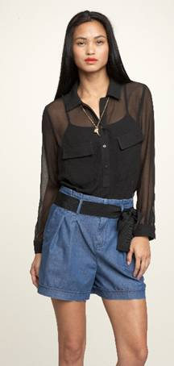 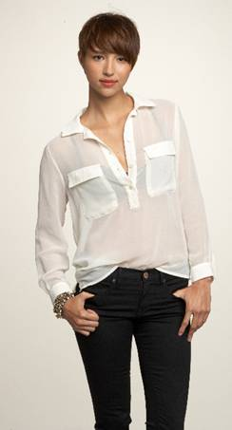 |  |  | 834570 | 143 | 59.95 | 8.98 | 85% | 72% | $32.07
SL Ruched Front Maxi print dress | Maxy Print Dress | 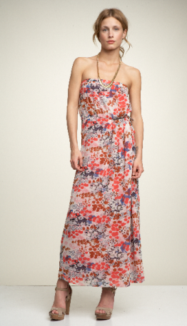 | 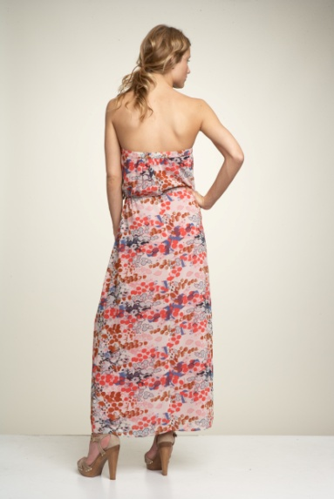 |  | 836613 | 140 | 98.95 | 19.95 | 80% | 65% | $57.00
SL Loop Tie Top | Sleeveless Loop Tie Top | 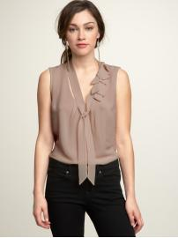 | 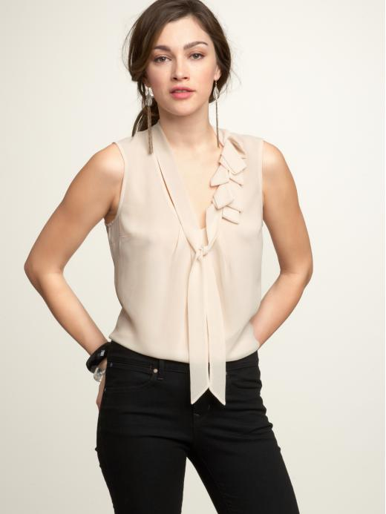 |  | 834577 | 143 | 59.95 | 8.92 | 85% | 72% | $31.86
Straw Tote w Sequin Straps | Straw Tote w Sequin Straps | 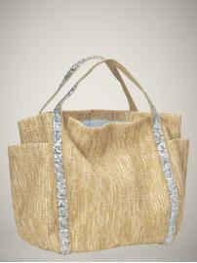 |  |  | 838949 | 132 | 49.95 | 16.72 | 67% | 50% | $33.44
SS Tie-Front Cardigan | SS Tie-Front Cardigan | 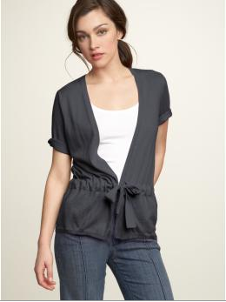 | 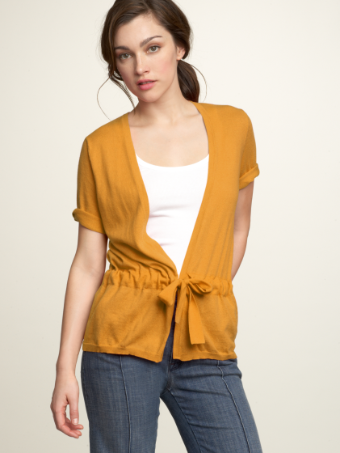 | 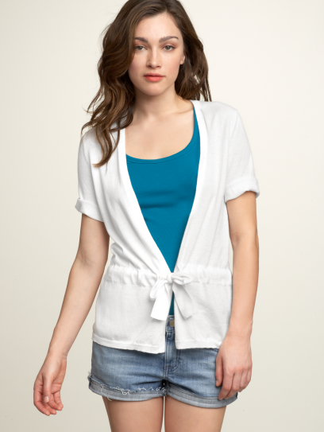 | 831699 | 145 | 54.95 | 8.87 | 84% | 72% | $31.68
Striped Maxi Dress | Striped Maxi Dress | 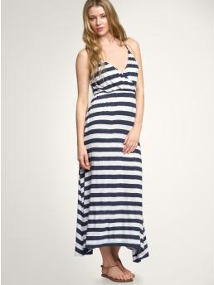 | 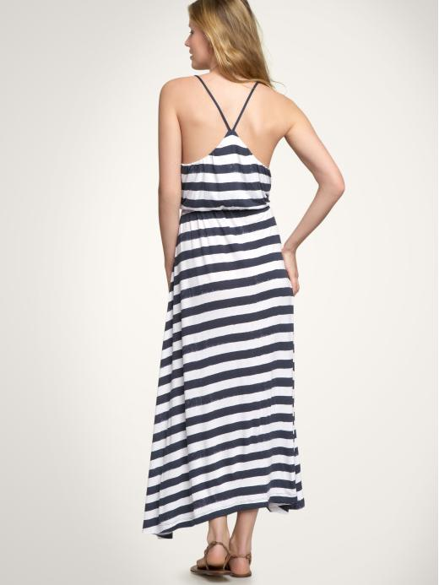 |  | 841377 | 144 | 69.95 | 19.22 | 73% | 60% | $48.05
Roll-Up Short Piece Dyed | Cuffed Shorts | 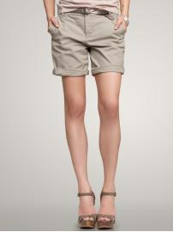 | 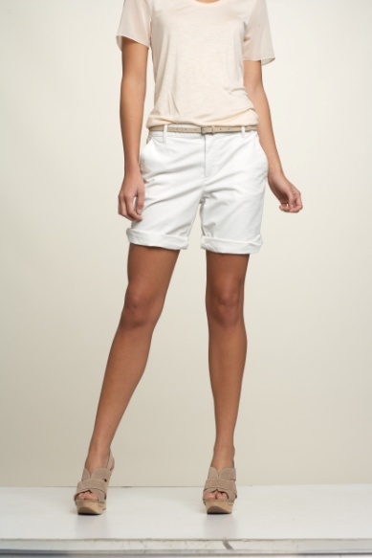 | 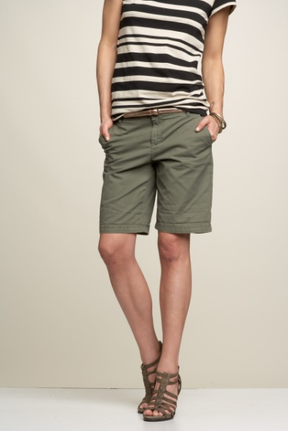 | 830989 | 140 | 39.95 | 9.99 | 75% | 60% | $24.97
Roll-Up Short Garment Dyed | Garment Dye Cuffed Shorts | 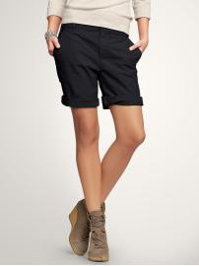 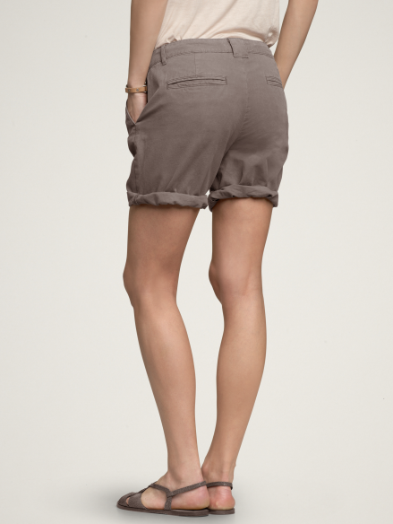 |  | 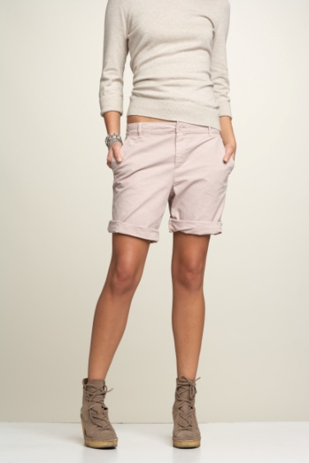 | 830990 | 140 | 39.95 | 11.06 | 72% | 60% | $27.65
Slinky Ribbed Cardigan | Slinky Ribbed Cardigan | 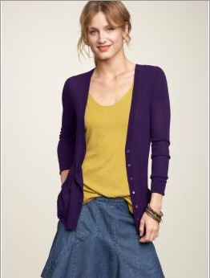 | 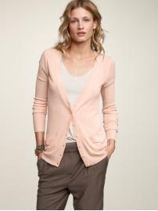 | 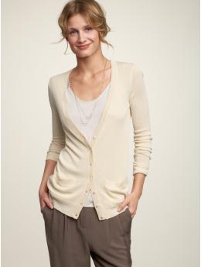 | 831664 | 145 | 54.95 | 11.51 | 79% | 60% | $28.78
Sl Shirred Print Babydoll Top | Sleeveless Ikat Print Top | 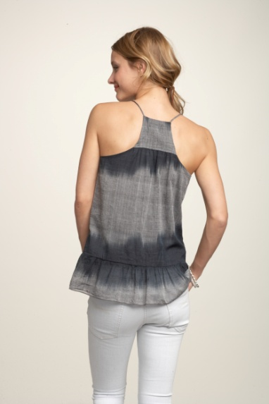 | 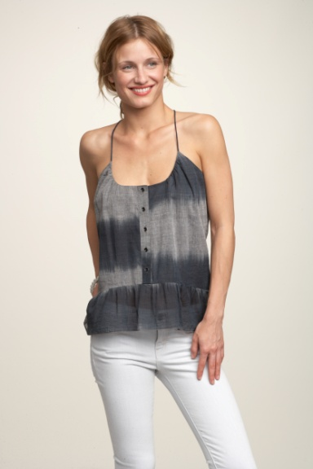 | 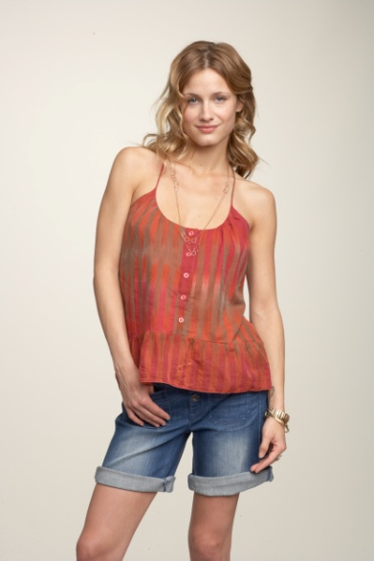 | 834593 834566 | 143 | 54.95 | 9.84 | 82% | 60% | $24.60
Geo Crochet Open 3rd Piece | Crochet Open Cardigan | 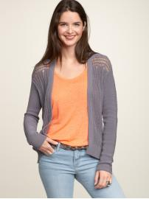 | 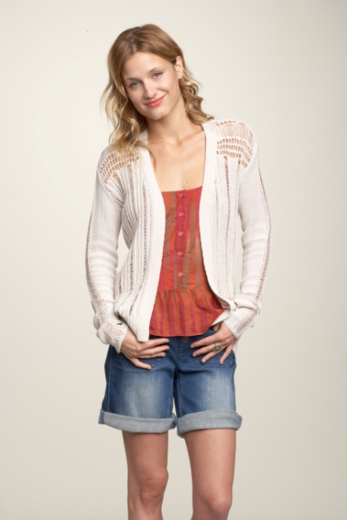 |  | 831702 | 145 | 69.95 | 16.87 | 76% | 65% | $48.20
Bobble Stripe Scarf | Bobble Stripe Scarf | 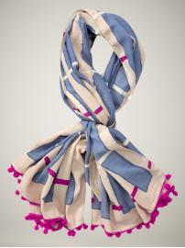 |  |  | 840452001 | 132 | 29.95 | 7.46 | 75% | 60% | $18.65
Skinny Gladiator Sandal | Skinny Gladiator Sandal | 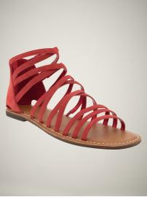 | 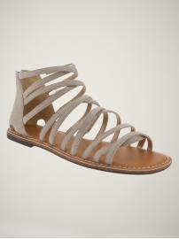 |  | 839801 | 132 | 44.95 | 16.65 | 63% | 50% | $33.30
SS SPRAY UNECK | Spray-Dye Tee | 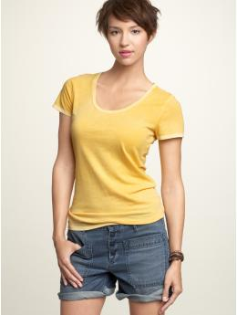 | 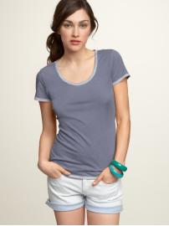 | 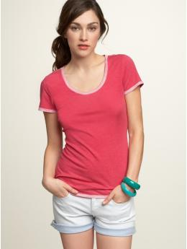 | 834076 | 144 | 19.95 | 3.88 | 81% | 65% | $11.09
SS UNECK STRIPE- | U-Neck Stripe Tee | 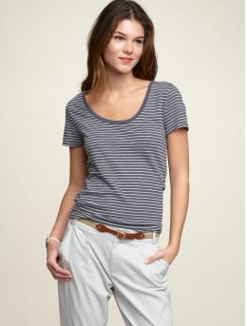 | 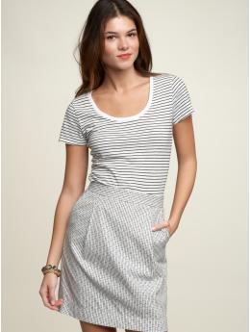 |  | 839054 | 144 | 19.95 | 4.14 | 79% | 65% | $11.83

